Cluster
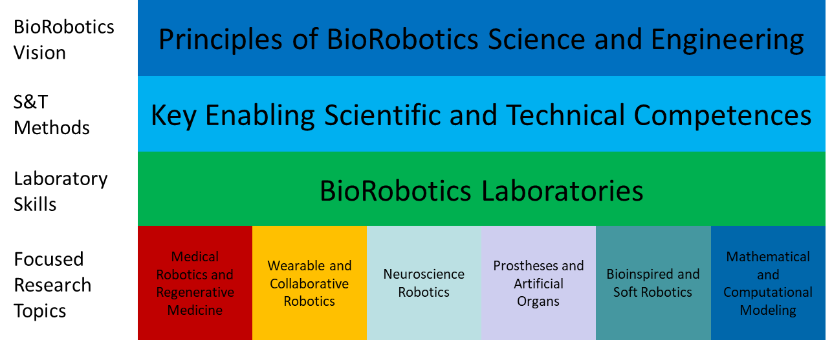
Principles of BioRobotics Science and Engineering
Key Enabling Scientific and Technical Competences
BioRobotics Laboratories
Ethical, Legal, Societal and Economic (ELSE) implications of BioRobotics
Medical Robotics and Regenerative Medicine
Wearable and Collaborative Robotics
Neuroscience Robotics
Prostheses and Artificial Organs
Bioinspired and Soft Robotics
Mathematical and Computational Modeling

